Sheet1
literature survey for lane keep methods
No | Name | Link | Methods that have used | Remarks
1 | Design of Lane Keeping Algorithm | https://pp.bme.hu/tr/article/view/8177 | 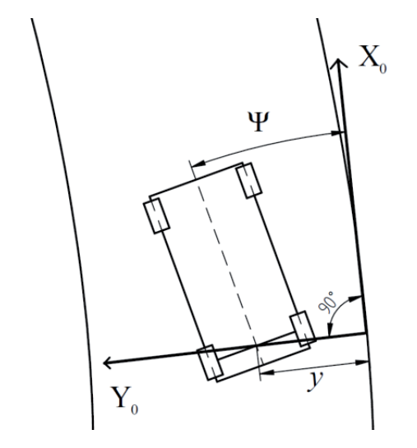 | There are some calculations and a good detailed explanation. This uses a point on the line that was detected by the camera and using that as an initial point, calculations to give linear position, angle, linear velocity, and angular velocity. | .
2 | Design of a Reinforcement Learning-Based Lane Keeping Planning Agent for Automated Vehicles | https://www.mdpi.com/2076-3417/10/20/7171 | The paper deals with the design of a lateral control agent and proposes two new algorithms that utilize planning after learning in the prediction phase that incorporate the real-time applicability of the neural networks with the robustness of the Monte Carlo tree search (MCTS), which can overcome both algorithms’ limitations. Moreover, this paper presents a unique implementation of the MCTS that enables the utilization of such a tree search algorithm in a computationally exhausting control task like that. It also compares the performance of both the original and the new MCTS concept. | Uses DL Have referred to many research papers

